DP
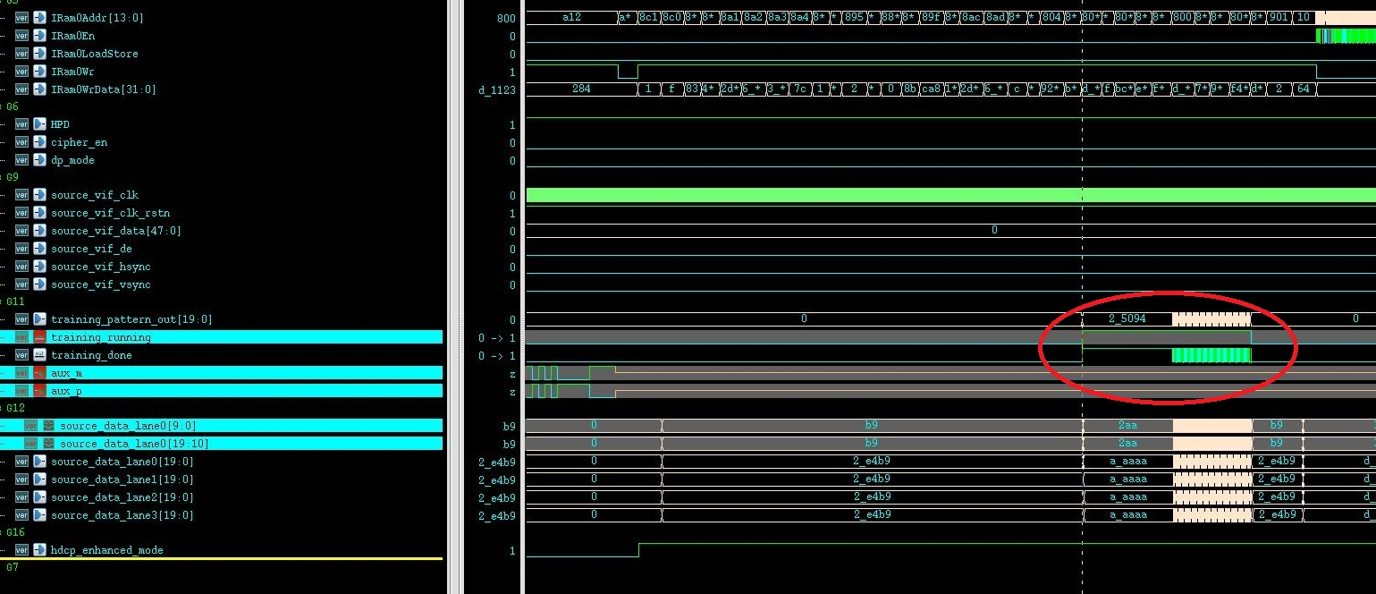
Question | Description | waveform capture | Doubt | Raise | Status | Ticket | Status
1 | No full link training process. |  | What will happen when connect to other vendor's DP sink? | 2016-12-01 | pending |  | Please point to appropriate ticket nuber or describe more on your concerns.

2 | TPS1 or TPS2 pattern not detected by Source monitor. | UVM_ERROR********: uvm_test_top [ERR_DP_UVC_HDCP_RANDOM_VIDEO_DUMMY_TEST_002] TPS1/TPS2 IS NOT DETECTED! TEST FAILED! | Monitor behavior issue | 2016-12-01 | pending | 46060053 | Started with test not passing. Seems that inital issue has been resolved already. Not the issue seems to be realted to Incisive and VIPCAT versions. This DIP TB require some specific versions to pass the simualtion. Now we wait for customer to confir whether he can use: module load incisive/142/14.20.034 module load vipcat/113/11.30.037

3 | TPS1 or TPS2 pattern not detected by Sink monitor. |  |  | 2016-12-01 | pending | 46060053 | Same as above

4 | Enhanced frame mode set issue. |  | If the Enhanced_mode_en of Source/Sink is 1, it can be set to 0. | 2016-12-01 | pending | 46060053 | Please point to appropriate ticket nuber or describe more on your concerns.

5 | Link clock is set by input |  | pll_dp_hbr, pll_dp_hbr2 and pll_dp_hbr3 need modify according to the link clock | N/A | N/A |  | Please point to appropriate ticket nuber or describe more on your concerns.

6 | Other UVM component report un-expected |  | Monitor behavior issue | 2016-12-06 | pending | 46060053 | Please point to appropriate ticket nuber or describe more on your concerns.

7 | HDCP Configuration |  | Confirming the acctual sizes of DP Keys | 2016-11-29 | Wait/Cust | 46059670 | Customer poited to provided documentation, but came back with some concerns and comments that the infromation is not present in the location he was pointed to. Today our support team confirmed that the infromation is present and provided details to customer.
8 | dptx_phy_comp | DP_TX_PHY_STATUS_REG should be removed DPTX_PHY_TRAINING_01_04 is 0x200c in code, while it's 0x2010 in doc DPTX_PHY_TRAINING_05_08 is 0x2010 in code, while it's 0x2014 in doc DPTX_PHY_TRAINING_09_10 is 0x2014 in code, while it's 0x201c in doc

